Result Comparison
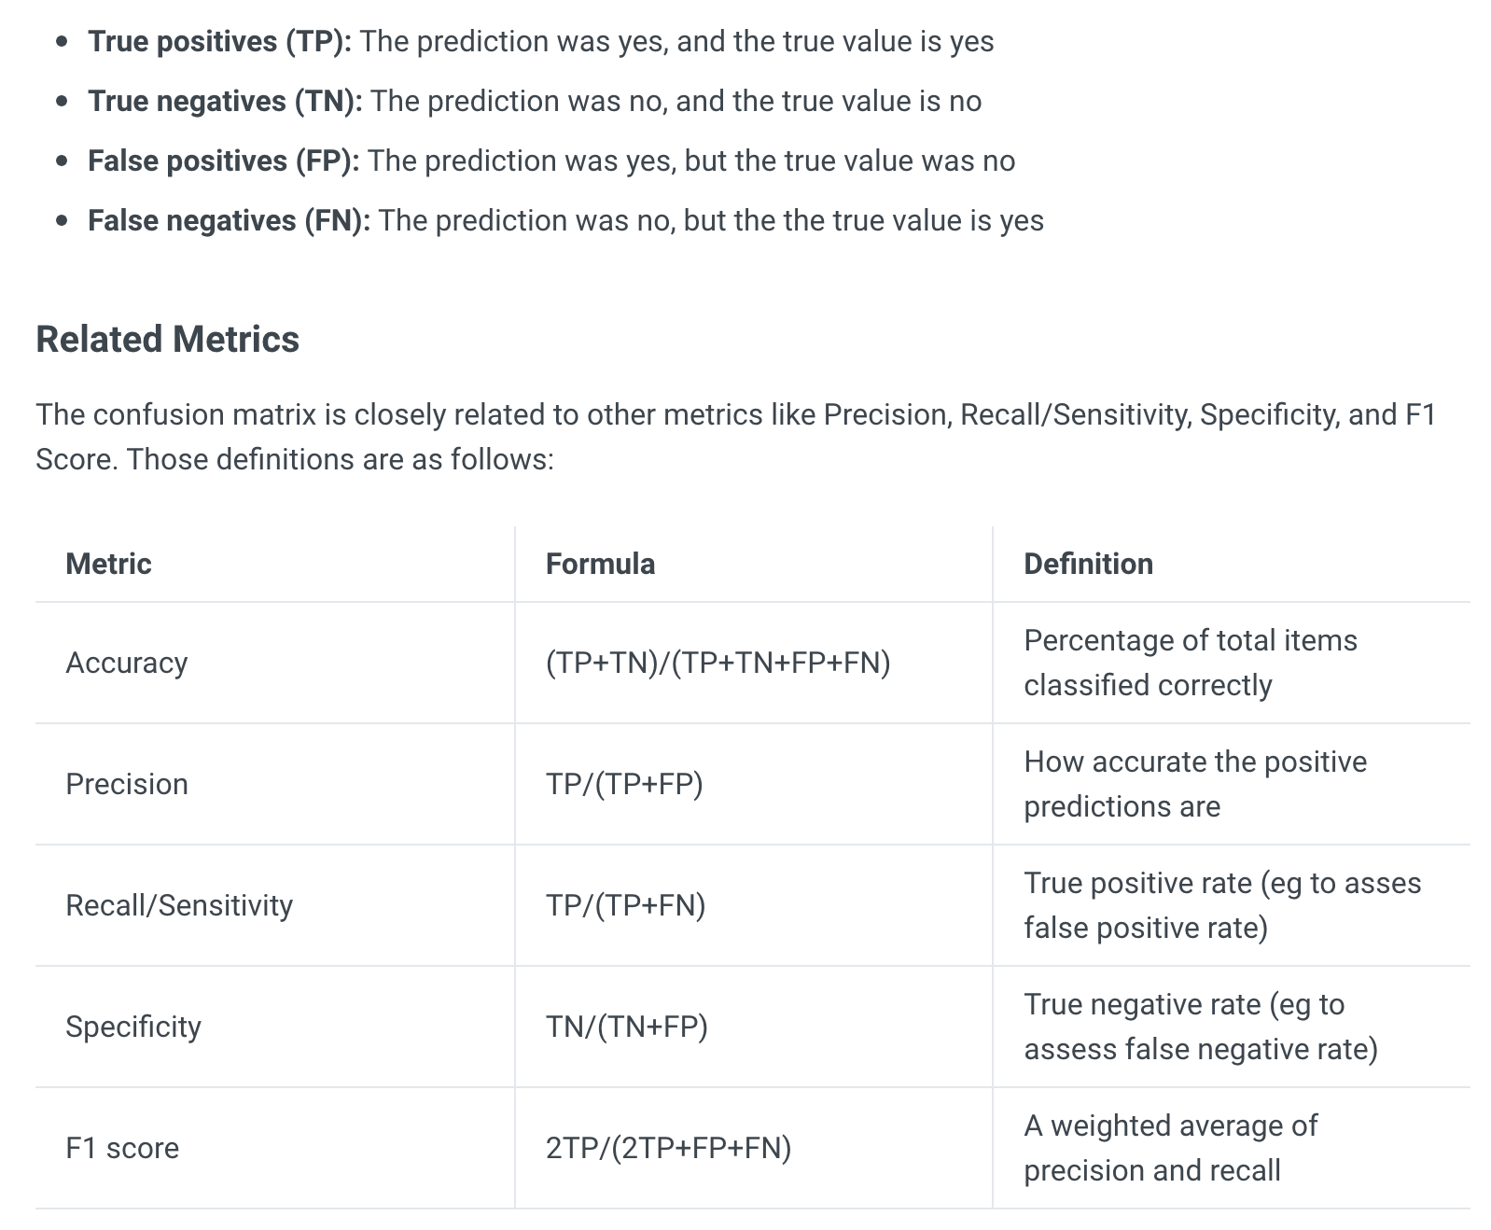
MACHINE LEARNING
Model/ Algorithmn | Accuracy | Precision | Recall | F1-Score | Parameters
Random Forest | 0.625981487981968 | 0.590001882971294 | 0.625981487981968 | 0.595082100767902 | criterion: entropy
Gradient Boosting Classifier | 0.614420714246124 | 0.709532475239124 | 0.614420714246124 | 0.546160569096569 | criterion: friedman_mse, loss: deviance

DEEP LEARNING
Model/ Algorithmn | Accuracy | Precision | Recall | F1-Score | Parameters
Convolutional Neural Network (CNN) | 0.974500598361410 | 0.975046701947514 | 0.974500598361410 | 0.974545429710781 | 2 Conv1D (filter=64, kernel=3, activation=relu Dropout = 40% MaxPooling1D (poolsize=3) Dense (100, activation=relu) Dense(n_outputs=6, activation=softmax)

